1.1 Information
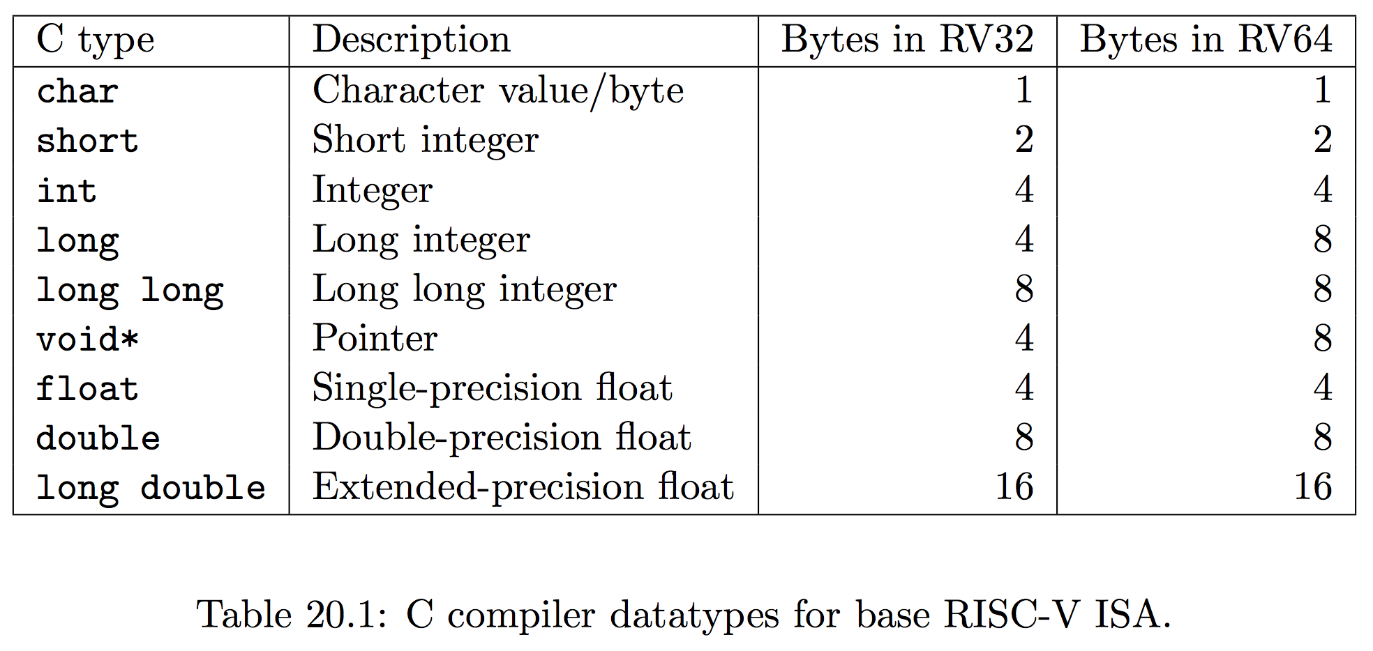
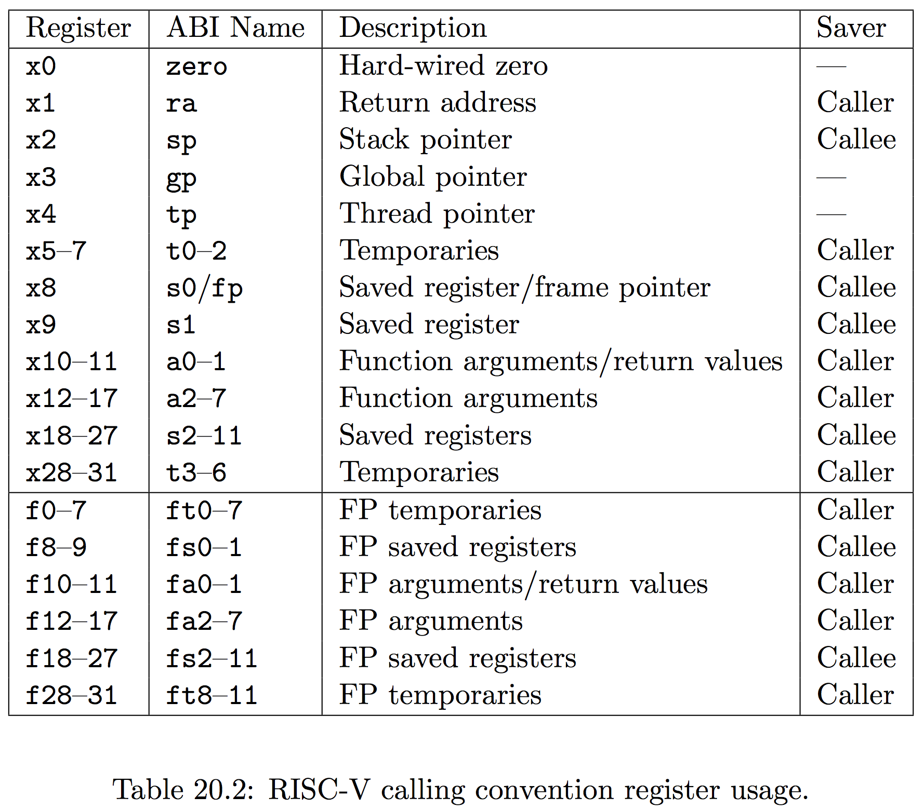
# |  | Instruction Group (mark with X) |  |  | Instruction Type (mark with X) |  |  |  | Data size (1, 2, 4, 8 bytes) | Encoding (HEX)
 | RISC-V Instructions | ALU | Control Transfer | Load/Store | I-Type | R-Type | S-type | U-type
 | .file "sum.c"
 | .text
 | .align 2
 | .globl sum
 | .type sum, @function
 | sum:
1 | add sp,sp,-48
2 | sd s0,40(sp)
3 | add s0,sp,48
4 | sw a0,-36(s0)
5 | sw a1,-40(s0)
6 | sd a2,-48(s0)
7 | sw zero,-24(s0)
8 | sw zero,-20(s0)
9 | j .L2
 | .L3:
10 | lw a5,-20(s0)
11 | sll a5,a5,2
12 | ld a4,-48(s0)
13 | add a5,a4,a5
14 | lw a5,0(a5)
15 | lw a4,-24(s0)
16 | addw a5,a4,a5
17 | sw a5,-24(s0)
18 | lw a5,-20(s0)
19 | addw a5,a5,1
20 | sw a5,-20(s0)
 | .L2:
21 | lw a4,-20(s0)
22 | lw a5,-36(s0)
23 | blt a4,a5,.L3
24 | lw a5,-24(s0)
25 | mv a0,a5
26 | ld s0,40(sp)
27 | add sp,sp,48
28 | jr ra
 | .size sum, .-sum
 | .ident "GCC: (GNU) 6.1.0"

1.3 Cycle Counting and Plot
Cycle Counting Plot

 | Total #Cycles | Total #Stall Cycles
Configuration #1 | 10000 | 2000
Configuration #2 | 8000 | 1000
Configuration #3 | 6000 | 800

Problem 4
CPI

CPI
 | Fully-interlocked (no bypassing) | EXE->EXE | EXE|MEM->EXE | EXE|MEM|WB->EXE (Fullly bypassing)
median | 1.27 | 1.27 | 1.27 | 1.27
multiply | 1.01 | 1.01 | 1.01 | 1.01
qsort | 1.23 | 1.23 | 1.23 | 1.23
towers | 1.56 | 1.56 | 1.56 | 1.56
vvadd | 2.12 | 2.12 | 2.12 | 2.12
dhrystone | 1.28 | 1.28 | 1.28 | 1.28
Cycles

Cycles
 | Fully-interlocked (no bypassing) | EXE->EXE | EXE|MEM->EXE | EXE|MEM|WB->EXE (Fullly bypassing)
median | 1270 | 1270 | 1270 | 1270
multiply | 1010 | 1010 | 1010 | 1010
qsort | 1230 | 1230 | 1230 | 1230
towers | 1560 | 1560 | 1560 | 1560
vvadd | 2120 | 2120 | 2120 | 2120
dhrystone | 1280 | 1280 | 1280 | 1280

Bubble Percentage

Bubble Percentage
 | Fully-interlocked (no bypassing) | EXE->EXE | EXE|MEM->EXE | EXE|MEM|WB->EXE (Fullly bypassing)
median | 0.635 | 0.635 | 0.635 | 0.635
multiply | 0.505 | 0.505 | 0.505 | 0.505
qsort | 0.615 | 0.615 | 0.615 | 0.615
towers | 0.78 | 0.78 | 0.78 | 0.78
vvadd | 1.06 | 1.06 | 1.06 | 1.06
dhrystone | 0.64 | 0.64 | 0.64 | 0.64

